Starting Motor Assy
ASSEMBLY CHECK SHEET
STARTING MOTOR
HD 785-5E
D475A-3
WA 800-3E
HD 985-5E
HD 785-5M
WA 800-3M
D475A-5
WA 900-3E
WA 900-3M

JOB NUMBER |  |  |  | PART NAME |  |  | STARTING MOTOR |  |  | DOCUMENT NO |  | QR03-SA-014
ENGINE MODEL |  |  |  | PART NUMBER |  |  |  |  |  | PUBLISHED DATE |  | 01/08/2008
ENGINE S/N |  |  |  | START DATE / TIME |  |  |  |  |  | REVISION NO |  | 01
MACHINE MODEL |  |  |  | FINISH DATE / TIME |  |  |  |  |  | PAGE |  | 1 of 4

ASSEMBLY BY

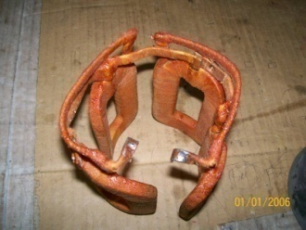
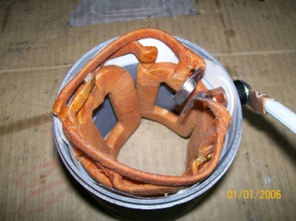
NO. | PARTS | CONDITIONS TO BE CHECKED |  |  |  |  |  | SPEC | Sign |  |  | REMARKS (SKETCH, PHOTOES,
 |  |  |  |  |  |  |  |  | Mec | QA | SPV | COMMENTS)
1 | Field Coil | - Confirm that Yoke Ass’y are free from foreign
 | Ass’y | matter, crack and ovalness
 |  | - Check o-ring seat.
 |  | - Check coil by using insulation resistance Tester,
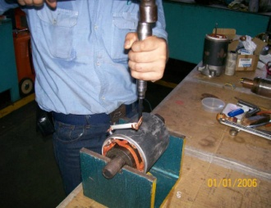
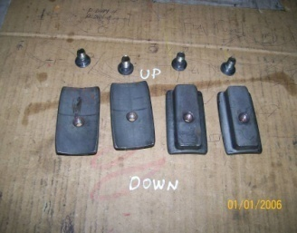
 |  | confirm that coil doesn’t connect with yoke
 |  | - Check coil from insulation.
 |  | - Check terminal condition.
 |  | - Measured field coil
 |  | Using multi tester.
 |  |  | Actual : |  | W |  |  | Min 250 KW
 |  | Using megger position 500V 1000 M W
 |  |  | Actual : |  | W |  |  | Min 250 KW

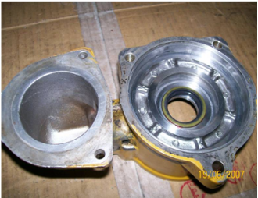
2 | Center Bracket | - Bracket must free from foreign matters, crack
 | Rear Bracket | and oval ness
 | and | - Check contact bearing from ovalness
 | Front Bracket | - Check dowel seat and dowel
 |  | - Check o-ring seat and seal

3 | Armature | - Armature must free from foreign matter,
 |  | corrosion, crack and bend.

 |  | - Check bearing seat measure again / check
 |  | - Armature by using insulation resistance tester.
 |  |  | Actual: W |  |  |  |  | Min 500 KW
 |  | - Confirm that coil does not contact with shaft core,
 |  | fin /body.

 |  | - Check and measured diameter contact brushes |  |  |  |  |  | std limit
 |  |  | Actual: mm |  |  |  |  | 42 mm |  |  |  | For 170 series, 12V140

 |  | - Check groove must be free from foreign dust

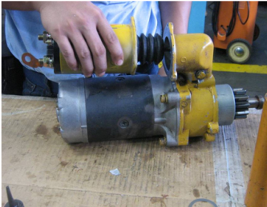
4 | Magnetic | - Magnetic switch must be free from foreign matter,
 | Switch | corrosion, crack and damage

 |  | - Check all thread hole thread and stud thread

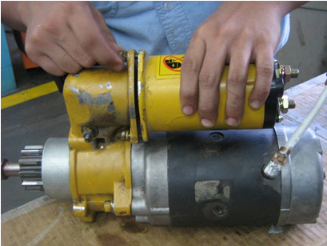
 |  | - Check magnetic switch function, after repair with
 |  | condition : Battery 24V
 |  | - Terminal M – (-) Bat
 |  | - Terminal C – (+) Bat
 |  | - Body – (-) Bat
 |  | - Using multi tester position volt meter measured
 |  | terminal : B - M |  |  |  |  |  | Contact

NO. | PARTS | CONDITIONS TO BE CHECKED |  |  |  |  |  | SPEC | SIGN |  |  | REMARKS (SKETCH, PHOTOES,
 |  |  |  |  |  |  |  |  | Mec | QA | SPV | COMMENTS)
5 | Safety Relay | - Safety relay must be free from foreign matter,
 | Switch | crack and damage.
 |  | - Check cables in terminal, confirm that coil.
 |  | - Check all thread hole thread and stud thread
 |  | - Check safety relay switch function, by using lamp:
 |  | - Terminal BSR – (+) Bat
 |  | - Terminal ESR – (-) Bat
 |  | - Terminal CSR – (+) lamp
 |  | - Terminal (-) Bat – (-) lamp
 |  | - Measured by :
 |  | - Terminal SSR – (+) Bat |  |  |  |  |  | Lamp ON
 |  | - Terminal RSR – (+) Bat |  |  |  |  |  | Lamp OFF

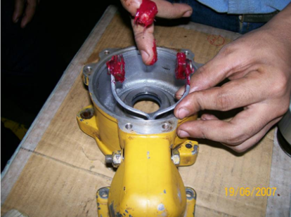
6 | Lever | - Confirm that Lever shift assy is clean, no crack
 | Shift Assy | and worn
 |  | - Check Lever shift assy function.
 |  | - Install the lever cam
 |  | - Check position lever code ( ) is true

7 | Clutch | - Check it from foreign matter, crack and damage
 | Assy Over | - Check gear from pitting and crack.
 | Running | - Check the rotation (one phase)

8 | Other | - Check other parts condition, e.g.
 | Parts | bearing, seal, shim, o-ring, bolt, washer,
 |  | bushing, etc.

9 | ASS | - Install bearing in Armature by using adequate
 | Armature | tools
 |  | - Check the bearing rotation.

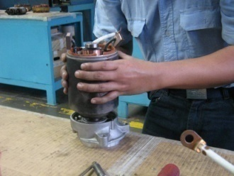
10 | ASS | - Install Armature in center bracket.
 | Motor Assy | - Install o-ring in center bracket that relate with yoke
 |  | - Install brush in coil with yoke
 |  | - Install yoke in center bracket and check O-Ring
 |  | seat
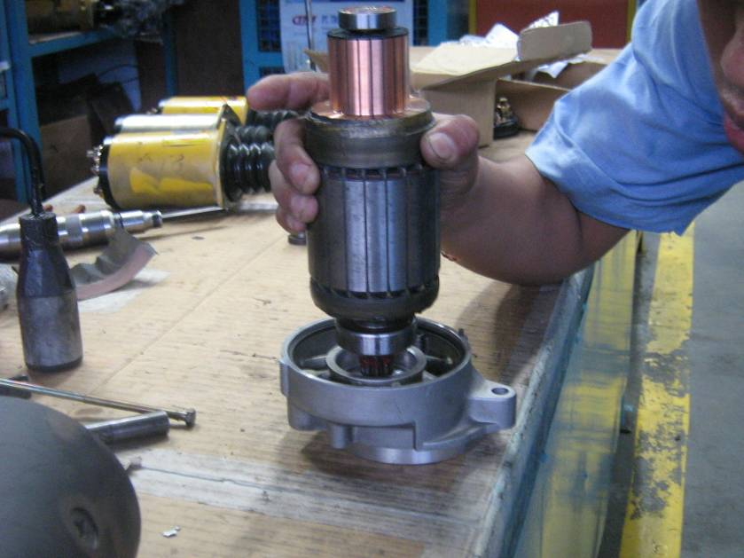
 |  | - Install Brush in holder brush.
 |  | - Install holder brush assy on Armature
 |  | - Install brush on coil yoke to holder brush and
 |  | check its contact on Armature
 |  | - Install o-ring on yoke that contact with rear bracket
 |  | - Install rear bracket
 |  | - Check mark on yoke and rear bracket
 |  | - Install o-ring in holder brush bolt and O-Ring in
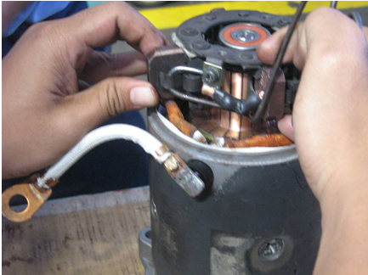
 |  | rear bracket bolt
 |  | - Install bolt in rear bracket than tighten
 |  | - Test Armature rotation and confirm it.
 |  | - Test rotation by using 2 x 24V200AH battery
 |  | - Install cable (-) in body
 |  | - Install cable (+) in cable terminal (-)
 |  | - Confirm that motor rotation is smooth.

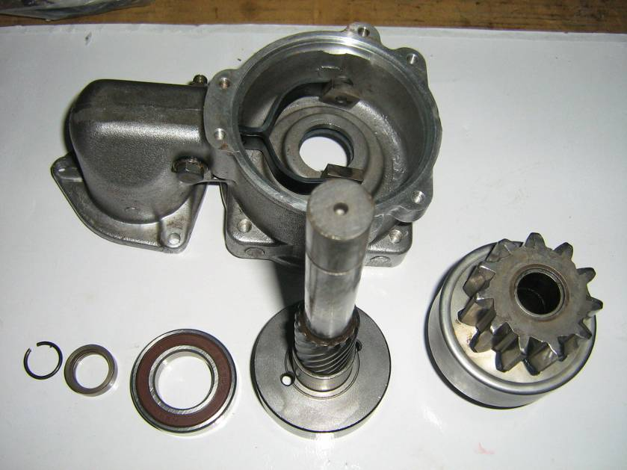
NO. | PARTS | CONDITIONS TO BE CHECKED |  |  |  |  |  | SPEC | SIGN |  |  | REMARKS (SKETCH, PHOTOES,
 |  |  |  |  |  |  |  |  | Mec | QA | SPV | COMMENTS)
11 | Center | - Install oil seal in center bracket A
 | Bracket | - Install bearing in center shaft
 | Assembly | - Install shift lever in center bracket A, install seal
 |  | in shift lever tightening bolt
 |  | - Install gear clutch over running in bracket center A
 |  | that linked in lever, and put in shaft center that
 |  | has been install with bearing (Bearing with LT 2)
 |  | - Install stopper pinion and put in ring clip.

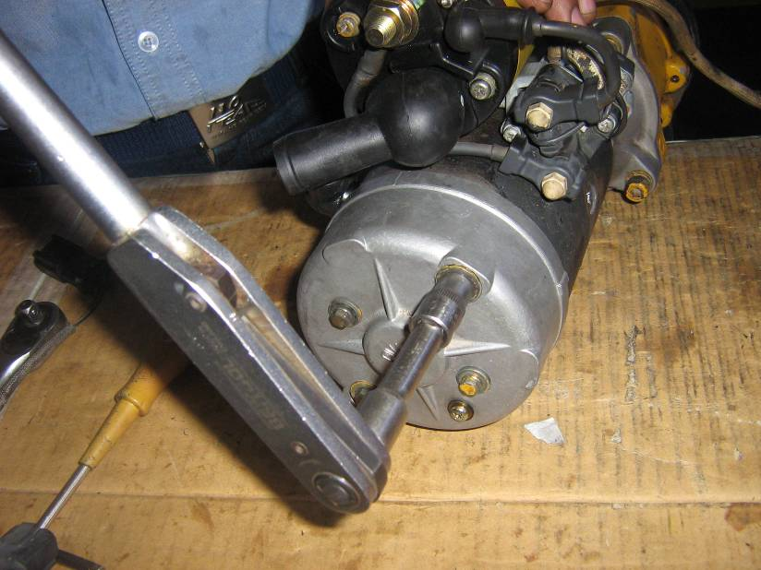
12 | Starting | - Install shim in center bracket
 | Motor | - Install O-Ring in center bracket
 | Assembling | - Connect center bracket A that has been
 |  | assembled in motor assy than install bolt and
 |  | tighten with allen key. |  |  |  |  |  | 1.2 ± 0.3 Kgm
 |  |  | Actual: Kgm

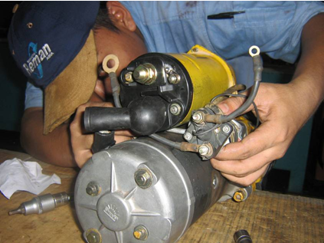
 |  | - Check rotation by rotating center shaft.
 |  | - Install magnetic switch and tighten bolt with |  |  |  |  |  | 0.8 ~ 1.2 Kgm
 |  | L-Shaped
 |  |  | Actual: Kgm
 |  | - Confirm that stud adjuster has connected with
 |  | shift lever.
 |  | - Install yoke cable (+) in terminal (M) Magnetic
 |  | switch and tighten nut
 |  | - Mark cap in magnetic switch
 |  | - Install safety relay in magnetic switch
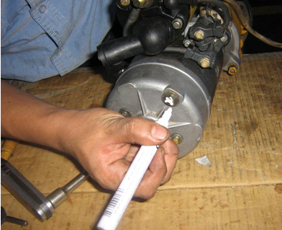
 |  | Note :
 |  | - Confirm starting motor position (left or right)

 |  | - Tighten safety relay tightening bolt |  |  |  |  |  | 0.8 ~ 1.2 Kgm
 |  |  | Actual: Kgm
 |  | - Install cable (B) from Safety Relay to terminal (B)
 |  | - Magnetic Switch than tighten nut
 |  | - Install cable (C) from Safety Relay to terminal ©
 |  | - Magnetic Switch and mark cap on connector
 |  | than thighten nut
 |  | - Install cable (-) from Safety Relay through
 |  | mounting bolt magnetic switch and tighten bolt

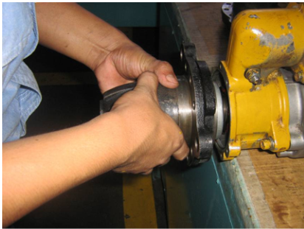
13 | Front | - Install o-ring in front bracket
 | Bracket | - Install front bracket assembly in center bracket A
 |  | - Confirm that seat condition.
 |  | Note :
 |  | - Confirm starting motor position (Left or right)

 |  | - Install bolt and tighten |  |  |  |  |  | 0.8 ~ 1.2 Kgm
 |  |  | Actual: Kgm

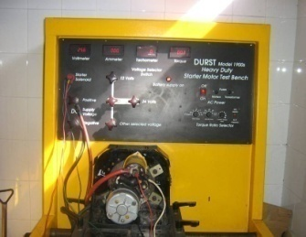
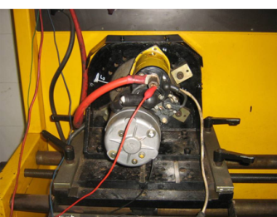
NO. | PARTS | CONDITIONS TO BE CHECKED |  |  |  |  |  | SPEC | SIGN |  |  | REMARKS (SKETCH, PHOTOES,
 |  |  |  |  |  |  |  |  | Mec | QA | SPV | COMMENTS)
14 | Starting | - Install battery cable (+) on magnetic switch
 | Motor | terminal (B).
 | Testing | - Install battery cable (-) on starting motor body
 |  | terminal.
 |  | - Install safety relay contactor, confirm that the
 |  | starting motor is good and rotating smoothly

15 | Final | - Check all bolts and mark ‘X’
 | Inspection | - Mark JO No. in Starting Motor Body

Notes :

 | ASSEMBLY BY |  |  |  |  | INSPECTION & APPROVED BY

 | MECHANIC ( MEC ) |  |  |  |  | QUALITY ASSURANCE ( QA ) |  |  |  |  |  | PROD. SUPERVISOR (SPV)

Starting Motor Assy (REV)
PT SAPTAINDRA SEJATI
NAROGONG REBUILD CENTER

ASSEMBLY CHECK SHEET
STARTING MOTOR

WO NUMBER |  |  |  | PART NAME |  |  | STARTING MOTOR |  |  | DOCUMENT NO
ENGINE MODEL |  |  |  | PART NUMBER |  |  |  |  |  | PUBLISHED DATE |  | 01/04/2010
ENGINE S/N |  |  |  | START DATE / TIME |  |  |  |  |  | REVISION NO |  | 01
MACHINE MODEL |  |  |  | FINISH DATE / TIME |  |  |  |  |  | PAGE |  | 1 of 4

ASSEMBLY BY |  |  |  |  |  |  |  |  |  | All dimensions in millimetres
 |  |  |  |  |  |  |  |  |  | All torques in Kilogram metres

NO. | PARTS | CONDITIONS TO BE CHECKED |  |  |  |  |  | SPEC | Sign |  |  | REMARKS (SKETCH, PHOTOES,
 |  |  |  |  |  |  |  |  | Mec | QA | SPV | COMMENTS)
1 | Field Coil | - Confirm that Yoke Ass’y are free from foreign
 | Ass’y | matter, crack and ovalness
 |  | - Check o-ring seat.
 |  | - Check coil by using insulation resistance Tester,
 |  | confirm that coil doesn’t connect with yoke
 |  | - Check coil from insulation.
 |  | - Check terminal condition.
 |  | - Measured field coil
 |  | Using multi tester.
 |  |  | Actual : |  | W |  |  | Min 250 KW
 |  | Using megger position 500V 1000 M W
 |  |  | Actual : |  | W |  |  | Min 250 KW

2 | Center Bracket | - Bracket must free from foreign matters, crack
 | Rear Bracket | and oval ness
 | and | - Check contact bearing from ovalness
 | Front Bracket | - Check dowel seat and dowel
 |  | - Check o-ring seat and seal

3 | Armature | - Armature must free from foreign matter,
 |  | corrosion, crack and bend.

 |  | - Check bearing seat measure again / check
 |  | - Armature by using insulation resistance tester.
 |  |  | Actual: W |  |  |  |  | Min 500 KW
 |  | - Confirm that coil does not contact with shaft core,
 |  | fin /body.

 |  | - Check and measured diameter contact brushes |  |  |  |  |  | std limit
 |  |  | Actual: mm |  |  |  |  | 42 mm |  |  |  | For 170 series, 12V140

 |  | - Check groove must be free from foreign dust

4 | Magnetic | - Magnetic switch must be free from foreign matter,
 | Switch | corrosion, crack and damage

 |  | - Check all thread hole thread and stud thread

 |  | - Check magnetic switch function, after repair with
 |  | condition : Battery 24V
 |  | - Terminal M – (-) Bat
 |  | - Terminal C – (+) Bat
 |  | - Body – (-) Bat
 |  | - Using multi tester position volt meter measured
 |  | terminal : B - M |  |  |  |  |  | Contact

NO. | PARTS | CONDITIONS TO BE CHECKED |  |  |  |  |  | SPEC | SIGN |  |  | REMARKS (SKETCH, PHOTOES,
 |  |  |  |  |  |  |  |  | Mec | QA | SPV | COMMENTS)
5 | Safety Relay | - Safety relay must be free from foreign matter,
 | Switch | crack and damage.
 |  | - Check cables in terminal, confirm that coil.
 |  | - Check all thread hole thread and stud thread
 |  | - Check safety relay switch function, by using lamp:
 |  | - Terminal BSR – (+) Bat
 |  | - Terminal ESR – (-) Bat
 |  | - Terminal CSR – (+) lamp
 |  | - Terminal (-) Bat – (-) lamp
 |  | - Measured by :
 |  | - Terminal SSR – (+) Bat |  |  |  |  |  | Lamp ON
 |  | - Terminal RSR – (+) Bat |  |  |  |  |  | Lamp OFF

6 | Lever | - Confirm that Lever shift assy is clean, no crack
 | Shift Assy | and worn
 |  | - Check Lever shift assy function.
 |  | - Install the lever cam
 |  | - Check position lever code ( ) is true

7 | Clutch | - Check it from foreign matter, crack and damage
 | Assy Over | - Check gear from pitting and crack.
 | Running | - Check the rotation (one phase)

8 | Other | - Check other parts condition, e.g.
 | Parts | bearing, seal, shim, o-ring, bolt, washer,
 |  | bushing, etc.

9 | ASS | - Install bearing in Armature by using adequate
 | Armature | tools
 |  | - Check the bearing rotation.

10 | ASS | - Install Armature in center bracket.
 | Motor Assy | - Install o-ring in center bracket that relate with yoke
 |  | - Install brush in coil with yoke
 |  | - Install yoke in center bracket and check O-Ring
 |  | seat
 |  | - Install Brush in holder brush.
 |  | - Install holder brush assy on Armature
 |  | - Install brush on coil yoke to holder brush and
 |  | check its contact on Armature
 |  | - Install o-ring on yoke that contact with rear bracket
 |  | - Install rear bracket
 |  | - Check mark on yoke and rear bracket
 |  | - Install o-ring in holder brush bolt and O-Ring in
 |  | rear bracket bolt
 |  | - Install bolt in rear bracket than tighten
 |  | - Test Armature rotation and confirm it.
 |  | - Test rotation by using 2 x 24V200AH battery
 |  | - Install cable (-) in body
 |  | - Install cable (+) in cable terminal (-)
 |  | - Confirm that motor rotation is smooth.

NO. | PARTS | CONDITIONS TO BE CHECKED |  |  |  |  |  | SPEC | SIGN |  |  | REMARKS (SKETCH, PHOTOES,
 |  |  |  |  |  |  |  |  | Mec | QA | SPV | COMMENTS)
11 | Center | - Install oil seal in center bracket A
 | Bracket | - Install bearing in center shaft
 | Assembly | - Install shift lever in center bracket A, install seal
 |  | in shift lever tightening bolt
 |  | - Install gear clutch over running in bracket center A
 |  | that linked in lever, and put in shaft center that
 |  | has been install with bearing (Bearing with LT 2)
 |  | - Install stopper pinion and put in ring clip.

12 | Starting | - Install shim in center bracket
 | Motor | - Install O-Ring in center bracket
 | Assembling | - Connect center bracket A that has been
 |  | assembled in motor assy than install bolt and
 |  | tighten with allen key. |  |  |  |  |  | 1.2 ± 0.3 Kgm
 |  |  | Actual: Kgm

 |  | - Check rotation by rotating center shaft.
 |  | - Install magnetic switch and tighten bolt with |  |  |  |  |  | 0.8 ~ 1.2 Kgm
 |  | L-Shaped
 |  |  | Actual: Kgm
 |  | - Confirm that stud adjuster has connected with
 |  | shift lever.
 |  | - Install yoke cable (+) in terminal (M) Magnetic
 |  | switch and tighten nut
 |  | - Mark cap in magnetic switch
 |  | - Install safety relay in magnetic switch
 |  | Note :
 |  | - Confirm starting motor position (left or right)

 |  | - Tighten safety relay tightening bolt |  |  |  |  |  | 0.8 ~ 1.2 Kgm
 |  |  | Actual: Kgm
 |  | - Install cable (B) from Safety Relay to terminal (B)
 |  | - Magnetic Switch than tighten nut
 |  | - Install cable (C) from Safety Relay to terminal ©
 |  | - Magnetic Switch and mark cap on connector
 |  | than thighten nut
 |  | - Install cable (-) from Safety Relay through
 |  | mounting bolt magnetic switch and tighten bolt

13 | Front | - Install o-ring in front bracket
 | Bracket | - Install front bracket assembly in center bracket A
 |  | - Confirm that seat condition.
 |  | Note :
 |  | - Confirm starting motor position (Left or right)

 |  | - Install bolt and tighten |  |  |  |  |  | 0.8 ~ 1.2 Kgm
 |  |  | Actual: Kgm

NO. | PARTS | CONDITIONS TO BE CHECKED |  |  |  |  |  | SPEC | SIGN |  |  | REMARKS (SKETCH, PHOTOES,
 |  |  |  |  |  |  |  |  | Mec | QA | SPV | COMMENTS)
14 | Starting | - Install battery cable (+) on magnetic switch
 | Motor | terminal (B).
 | Testing | - Install battery cable (-) on starting motor body
 |  | terminal.
 |  | - Install safety relay contactor, confirm that the
 |  | starting motor is good and rotating smoothly

15 | Final | - Check all bolts and mark ‘X’
 | Inspection | - Mark JO No. in Starting Motor Body
 |  | - Replace Starting Motor Name Plate with
 |  | *KRI Startng Motor Name Plate.

Notes :

 | ASSEMBLY BY |  |  |  |  | INSPECTION & APPROVED BY

 | MECHANIC ( MEC ) |  |  |  |  | QUALITY ASSURANCE ( QA ) |  |  |  |  |  | PROD. SUPERVISOR (SPV)

